Defect Report - Template
Title | Test registrarse con un mail ya existente

Description / Overview | Typing any text on the search bar redirects user to an error page

Reproduction Steps | 1- Abri la pagina de prueba https://demo.opencart.com/
 | 2- Click en Sign in
 | 3- Click en register here
 | 4- completa los datos
Expected Behavior | Mensaje de error: “There is a user with this email address. Please try signing in

Actual Behavior | Registered Successfully
 | 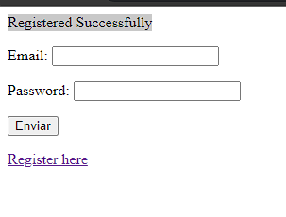
Incidence / Severity / Probability of reproduction | Critical severity - Registrarse con un mail ya existente
 | 100% reproduction rate

Story and Acceptance Criteria affected | PE-16 TC-01

Browsers tested | Google Chrome, v107

Environment | QA environment, https://demo.opencart.com/

Notes | Te deja resigstraste con un Mail ya asociado a otra cuenta existente. Puede ser que sea por la configuracion de la pagina

